About
MPIiFI Maximum Percentage Increase in Fuel Imports

Source 1): | Ministry of Petroleum and Natural Gas/Press Information Bureau | 2) | Lok Sabha Unstarred Questions
 | 2019 |  | 2019
 | Import/Export of Oil |  | Import of Oil and Gas/Unstarred Question No. 178
 | https://pib.gov.in/PressReleaseIframePage.aspx?PRID=1576407 |  | http://164.100.24.220/loksabhaquestions/annex/172/AU178.pdf
 |  |  | Ques (a), Page 1; Ans (a), Page 2

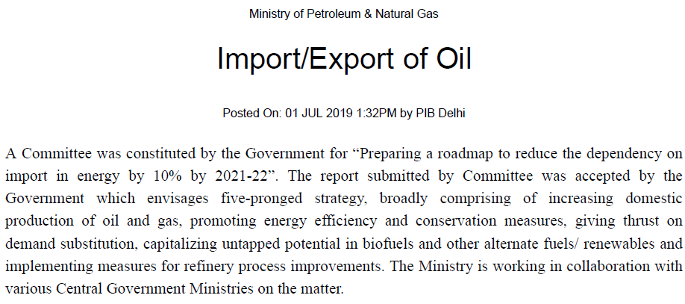
Notes
This variable allows you to specify a cap on how much fuel imports
may increase in response to policies.
This can reflect physical constraints on imports, such as limited
terminal or trans-border pipeline capacity.
Alternatively, it may reflect a legislative cap on imports.

Govt. of India has accepted a committee report to develop a roadmap
for reducing oil dependence by 10% by 2021-22 (Source 1).
However, in the past 5 years, oil import dependence has been
steadily increasing (Source 2). Further, there is no official policy
document, apart from press communication, which commits |  |  | Source 1: MoPNG/PIB
the official target and the associated roadmap.
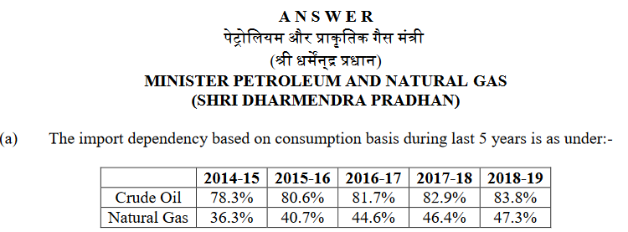
Hence, we do not impose a cap as it would be an unrealistic
estimate for the near- and mid-term, and pick an arbitratily
high percentage.

 |  |  | Source 2: Lok Sabha Unstarred Ques. 178

